General Check list
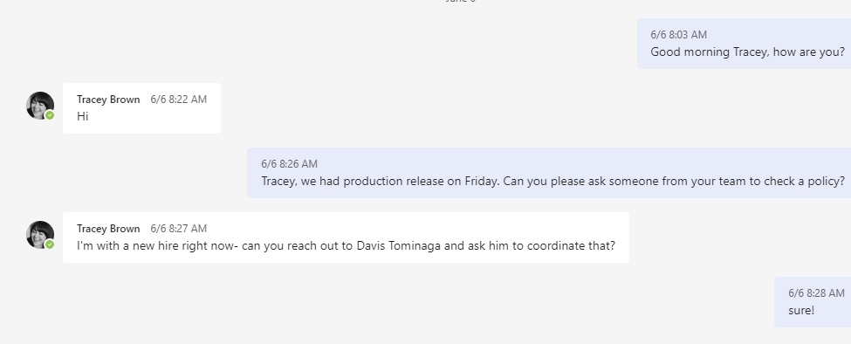
 | Monday | Start planning the test cases for the next release
 | Monday | Create test cycle in Jira
 | Monday | Tell broker API if there are API tickets | Laura Castillo
 | Monday | Send a Message to Tracy Brown to ask her to test a policy.

 | Thursday | Set the meeting for the Demo with the tickets that will be checked | AP (Grant Trutman)/ BMT(tracy brown)/Davis Tominaga
 | Friday | Demo | If Grant can not go, then invite Amy Landefeld
 | Friday | Send and email for approval
 | Friday | Once you have the approval, go to release a close the ticket
 | Friday | Fill out the ckeck list / Write what tests have been DEMo and to whom
 | Friday | 4:00 pm (EST) send a Sign off email
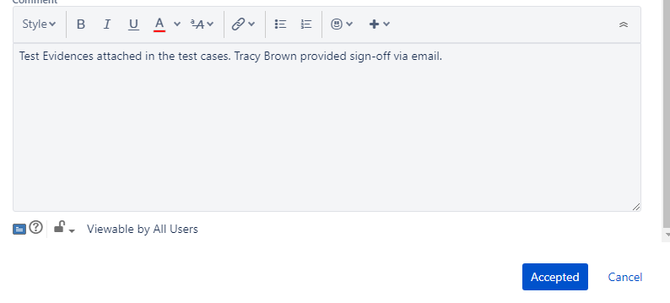

 |  |  |  | UAT- Test evidence attached to the Test Cases. (xxxxxxxxxxxxxxx) provided the sign-off via email for todays UAT-PROD release xxxxxxxx

 |  |  |  | UAT - Tested and ready to go to Prod on Oct-14-2022. Test evidence attached to the test cases. Tracey Brown Davis Tominaga and Grant Troutman provided Sign-off via email.

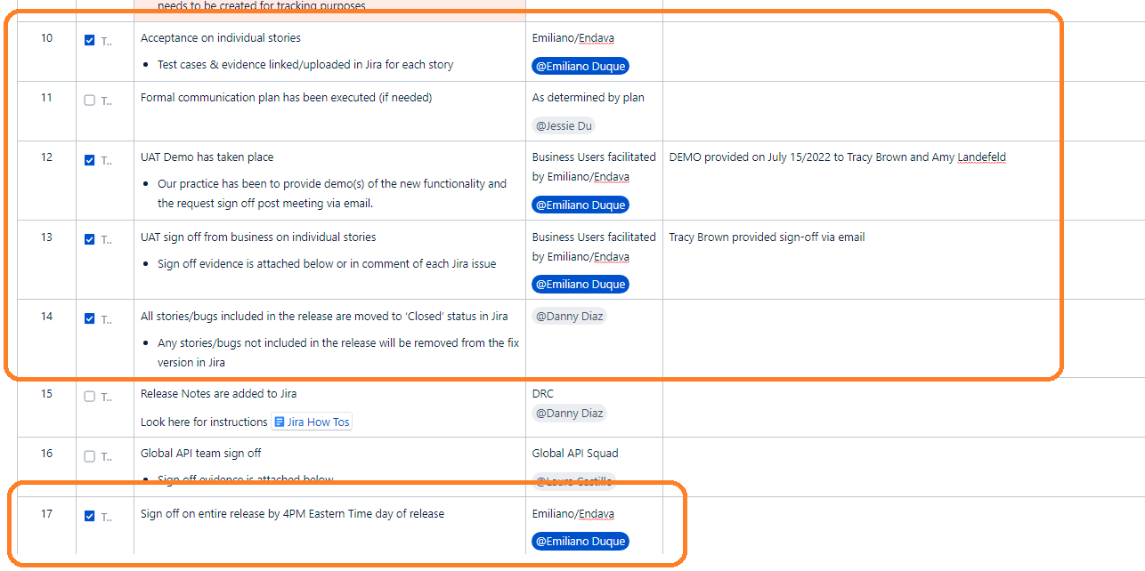

Import Test Cases to Jira
Go to Zephys Squad/ Cycle Summary
Select example: DRC 22-July-2022
Create/Select the UAT release (UAT July12 / July 15)
On the left click on Import Test Cases
Choose the file you want to upload.
Click on (Use Configuration File) if you don’t want to do this manually
Next
Row Number to begin to import = 2
Discriminator=ID change
Import all sheets
Next
Map each field to the corresponding in the excell file
Next
Validate
This is only onece: Save the configuration for future use to be used as the "Configuartion File"
Begin Import

Filters
Advance Issue Search
Proyect=Beazley Digital; Type=Test; More=Created Date/within 10 minutes
Save as= name it the way you want
Submit

After the import, we need to Add the test cases
Go to Zephyr Squad
Cycle Summary
Select the UAT cycle which I want to add the ticktes to
On the rigth top next to Columns select Add Tests
Via Search Filter
Select the filter name you just saved/Select Assigneed to Emiliano Duque
Add

Prod-Nov-11-2022
Type | ID | Summary | Write-TC | Status | Attach evidence Defect Level | All TC DONE | Close BD Sign-off email
 | BD-11648 | BBR - AP/UWP -Apply $25k to new separate Retentions for unfavorable answers to Ransomware Questions 6A,7A,11,12, or 12A. | x | ok | x | x
 | BD-5111 | UWP - BMT- update to GL standard endts | x | ok | x | x
 | BD-13375 | BBR AP/UWP - Update Rater for MM Auto dealership over $233,333,333 revenue band - Eliminate Quote Option Limit 4 - Retention related values not applicable | x | ok | x | x
 | BD-13036 | QA/AP-In the quote letter is not showing up the First Party Retention, when the user trigger the 12A question unfavorably | x | ok | x | x
D | BD-11918 | BMT-1/1/23-War and Cyber War Exclusion Endst | x
D | BD-11919 | BMT-1/1/23-Infrastructure Failure Exclusion Amendatory Endst | x
 | BD-11922 | BBR-1/1/23-First Party Loss Exclusions Amendatory Endst | x | ok | x | x
 | BD-11923 | BBR-1/1/23-Catastrophic First Party Loss Amendatory Endst | x | ok | x | x
D | BD-12868 | BBR-1/1/23- War and Cyber War Exclusion Endst | x
D | BD-12874 | BMT - ASAP - Add 2023 Lloyd's Security Endorsement & Retire 2022 version - Non-Admitted Effective 1/1/2023 | x
D | BD-12877 | BBR - ASAP - Add 2023 Lloyd's Security Endorsement & Retire 2022 version - Non-Admitted Effective 1/1/2023 | x
 | BD-13657 | UAT - BBR - AP- Does not apply $25k to new separate Retentions for unfavorable answers to Ransomware Questions 6A,7A,11,12, or 12A, when Revenue is les than 2M. | x | ok | x | x | x
D | BD-13933 | QA-AP- The form War and Cyber War Exclusion End is not showing up in the quote letter for BBR quotes | x

 | DEMO
Type | ID | Summary
x | BD-11648 | BBR - AP/UWP -Apply $25k to new separate Retentions for unfavorable answers to Ransomware Questions 6A,7A,11,12, or 12A.
x | BD-5111 | UWP - BMT- update to GL standard endts
x | BD-13375 | BBR AP/UWP - Update Rater for MM Auto dealership over $233,333,333 revenue band - Eliminate Quote Option Limit 4 - Retention related values not applicable
x | BD-11918 | BMT-1/1/23-War and Cyber War Exclusion Endst
x | BD-11919 | BMT-1/1/23-Infrastructure Failure Exclusion Amendatory Endst
x | BD-11922 | BBR-1/1/23-First Party Loss Exclusions Amendatory Endst
x | BD-11923 | BBR-1/1/23-Catastrophic First Party Loss Amendatory Endst
x | BD-12868 | BBR-1/1/23- War and Cyber War Exclusion Endst
x | BD-12874 | BMT - ASAP - Add 2023 Lloyd's Security Endorsement & Retire 2022 version - Non-Admitted Effective 1/1/2023
x | BD-12877 | BBR - ASAP - Add 2023 Lloyd's Security Endorsement & Retire 2022 version - Non-Admitted Effective 1/1/2023
 |  |  |  |  |  |  |  |  | Test case | Policy number
 |  |  |  |  |  |  |  | BD-2405 | TC 1 | VG00004409AA
 |  |  |  |  |  |  |  | BD-2406 | TC 2 | WG00004410AA
 |  | BD-11648 |  |  |  |  |  | BD-2409 | TC 3 | VG00004411AA
ALL (6a, 7a, 11, 12 or 12a) = Favorably OR ECR >= $25.000
 |  | $25.000 RSA Rule |  |  |  |  |  | BD-2411 | TC 4 | VG00004437AA
 |  | ECR = Each Claim Retention |  |  |  |  |  | BD-2412 | TC 5 | WG00004439AA
 |  |  |  |  |  |  |  | BD-2415 | TC 6 | VG00004412AA
 |  |  |  |  |  |  |  | BD-2416 | TC 7 | VG00004413AA
NO
YES
 |  |  |  |  |  |  |  | BD-2417 | TC 8 | VG00004432AA
 |  |  |  |  |  |  |  | BD-2418 | TC 9 | VG00004423AA
 |  |  |  |  |  |  |  | BD-2419 | TC 10 | VG00004422AA
ECR >= $25000
 |  |  |  |  |  |  |  | BD-2420 | TC 11 | VG00004441AA
NO
YES
 |  |  |  |  |  |  |  | BD-2421 | TC 12 | VG00004415AA
First Party Sublimits = $25.000
The values are shown in the quote document.
 |  |  |  |  |  |  |  | BD-2422 | TC 13 | VG00004419AA
 |  |  |  |  |  |  |  | BD-4936 | TC 14 | VG00004424AA
 |  |  |  |  |  |  |  | BD-4937 | TC 15 | VG00004442AA
 |  |  |  |  |  |  |  | BD-4938 | TC 16 | VG00004435AA
First Party Sublimits = ECR The values are NOT shown in the quote document.

First Party Sublimits = ECR The values are shown in the quote document.

Prod-Nov-04-2022
Type | ID | Summary | Write-TC | Status | Test/ Attach evidence TC Level | Attach evidence Defect Level | All TC DONE | Close BD Sign-off email |  | Test case | Policy number
 | BD-11648 | BBR - AP/UWP -Apply $25k to new separate Retentions for unfavorable answers to Ransomware Questions 6A,7A,11,12, or 12A. | x | ok |  |  |  |  | BD-2405 | TC 1
 | BD-11919 | BMT-1/1/23-Infrastructure Failure Exclusion Amendatory Endst |  |  |  |  |  |  | BD-2406 | TC 2
 | BD-5111 | UWP - BMT- update to GL standard endts | x | ok |  |  |  |  | BD-2409 | TC 3
 | BD-13375 | BBR AP/UWP - Update Rater for MM Auto dealership over $233,333,333 revenue band - Eliminate Quote Option Limit 4 - Retention related values not applicable | x | ok |  |  |  |  | BD-2411 | TC 4
 | BD-13036 | QA/AP-In the quote letter is not showing up the First Party Retention, when the user trigger the 12A question unfavorably | x | ok |  |  |  |  | BD-2412 | TC 5
 |  |  |  |  |  |  |  |  | BD-2415 | TC 6
 |  |  |  |  |  |  |  |  | BD-2416 | TC 7
 |  |  |  |  |  |  |  |  | BD-2417 | TC 8
 |  |  |  |  |  |  |  |  | BD-2418 | TC 9
 |  |  |  |  |  |  |  |  | BD-2419 | TC 10
 |  |  |  |  |  |  |  |  | BD-2420 | TC 11
 |  | Note: This release was canceled. |  |  |  |  |  |  | BD-2421 | TC 12
 |  |  |  |  |  |  |  |  | BD-2422 | TC 13
 |  |  |  |  |  |  |  |  | BD-4936 | TC 14
 |  |  |  |  |  |  |  |  | BD-4937 | TC 15
 |  |  |  |  |  |  |  |  | BD-4938 | TC 16

 | DEMO
Type | ID | Summary
 | BD-11648 | BBR - AP/UWP -Apply $25k to new separate Retentions for unfavorable answers to Ransomware Questions 6A,7A,11,12, or 12A.
 | BD-11919 | BMT-1/1/23-Infrastructure Failure Exclusion Amendatory Endst
 | BD-5111 | UWP - BMT- update to GL standard endts
 | BD-13375 | BBR AP/UWP - Update Rater for MM Auto dealership over $233,333,333 revenue band - Eliminate Quote Option Limit 4 - Retention related values not applicable

 |  | IMPORTANT! Erin Henne Jessie Du Daniel Rodrigues - We have been working on this all day. We are having issues with the deployments and it just doesn't look possible to go to UAT today. Emiliano Duque, Keanu Freitas, Durga Gannu(Associate) (Guest), and the rest of the team discussed a strategy for moving forward. Our plan is to push to QA today, whatever it takes, and schedule a UAT deployment for tomorrow. This means that we will have to cancel Prod deployment for tomorrow, 11/4. We would resume the normal cadence for next week: Tue, 11/8 > UAT and Fri, 11/11 > Prod. Devs are still making progress on the end of year updates and that hasn't slowed down. We are still on track to deliver all end of year updates before Thanksgiving. (We would discuss next week how we would like to adjust the last sprint in November to account for Thanksgiving)

ALL (6a, 7a, 11, 12 or 12a) = Favorably OR ECR >= $25.000
 |  | $25.000 RSA Rule

NO
YES

At least one(6a, 7a, 11, 12 or 12a) = Unavorably
ECR >= $25000
YES
NO
YES
YES

First Party Sublimits = ECR The values are NOT shown in the quote document.
First Party Sublimits = ECR This is reflected in the document

First Party Sublimits = $25.000
The values are shown in the quote document.

